Bug Report
Bug ID | Title | Module | Severity | Priority | Steps to Reproduce | Expected vs Actual | Screenshots
Bug_01 | Font Size a bit large | Navbar | Medium | Low | 1. Open the doctor consultation page 2. Click on Hamburger button | Font size will be normal but Font size a bit large compared to others
Bug_02 | Matching result section below search bar text is overflowing | Navbar | Medium | Low | 1. Open the doctor consultation page 2. Click on search button 3. Type infinite characters in search bar 4. see the matching result section | Matching results should be text wrap but it's overflowing outside from the section | 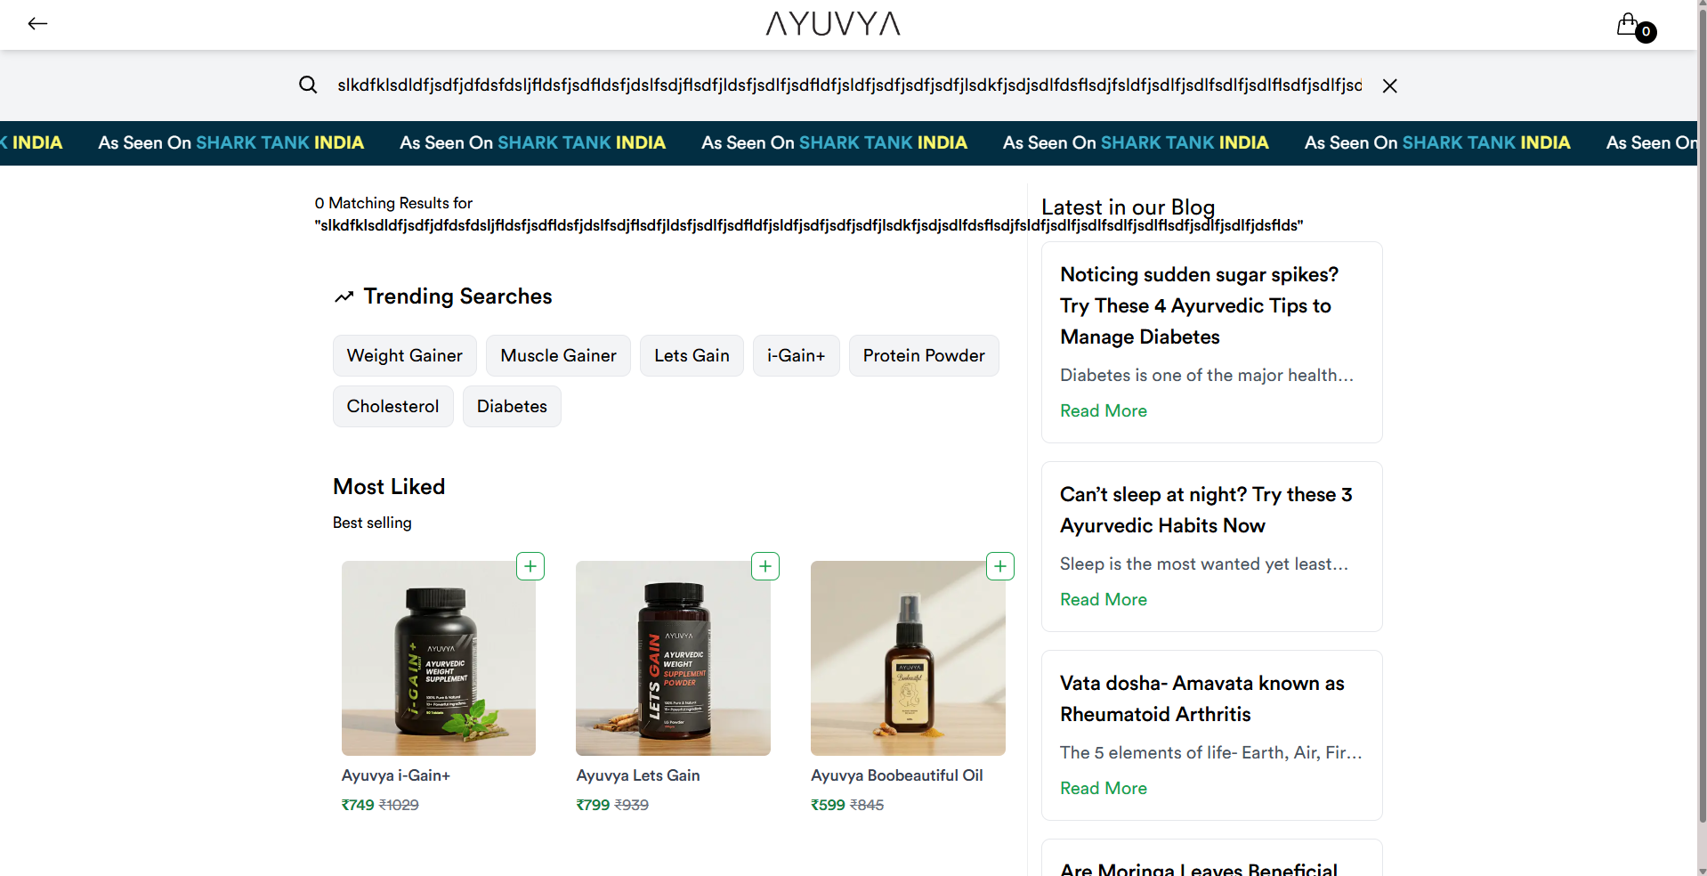
Bug_03 | Clicking Function is activate on everywhere inside section | Body Section | Medium | Medium | 1. Open the doctor consultation page 2. Click anywhere inside the [ Diabetic Wellness, Heart Health, Kidney Stone/Urology, Men's Health, Others, Skin and Hair Care, Weight Management/Thyroid Issues, Women's Health ] section | It's should only respond when user click on BOOK NOW button but when user is clicking anywhere inside the diabetic wellness section even on text, it's redirecting to the next step
Bug_04 | UI Allignment is Bad | Body Section --> Diabetic Wellness Section | Low | Low | 1. Open the doctor consultation page 2. Click anywhere inside the Diabetic Wellness section | UI should be look good but it's looking like inverted upward ladder | 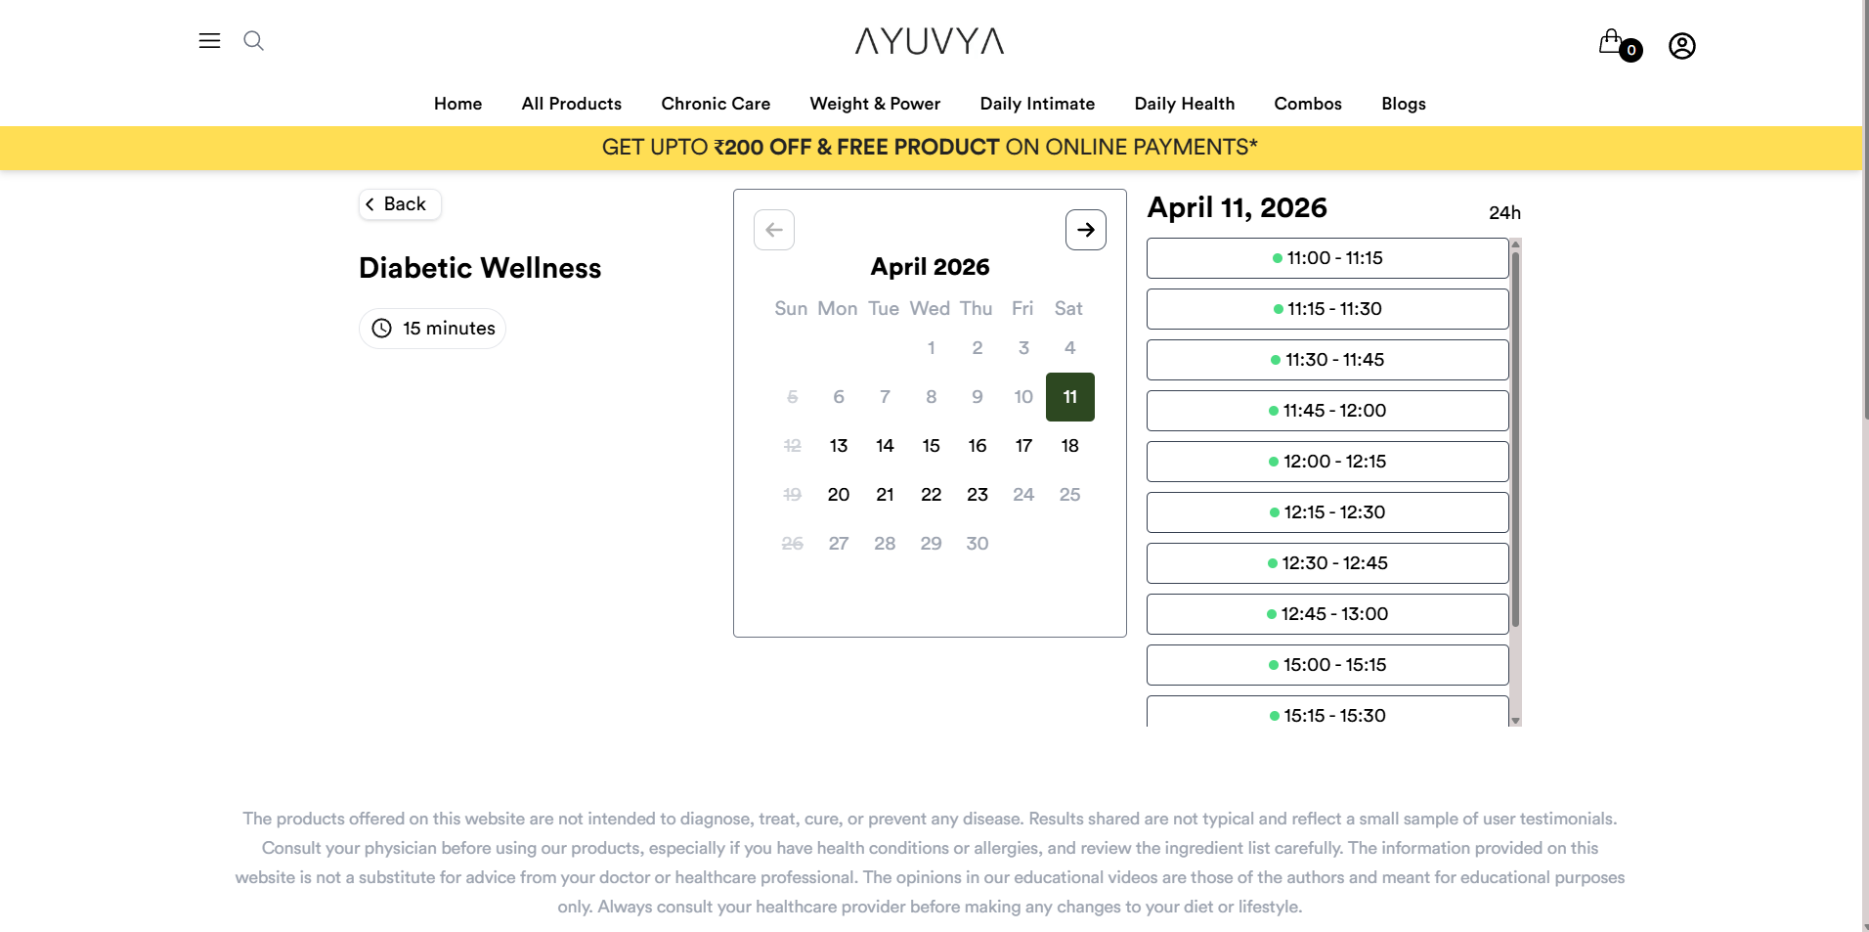
Bug_05 | Email Validation is not Doing Correctly | Body Section --> Newsletter Section | Medium | Medium | 1. Open the doctor consultation page 2. Goto in the Newsletter Section 3. Fill The Data Email: "dgfdgdgfdggg@cgffgfgfggfg.fgdgfdgfd" and Phone: "9876544432" With Selected Checkbox | Email should correctly validate but it's not validating correctly | 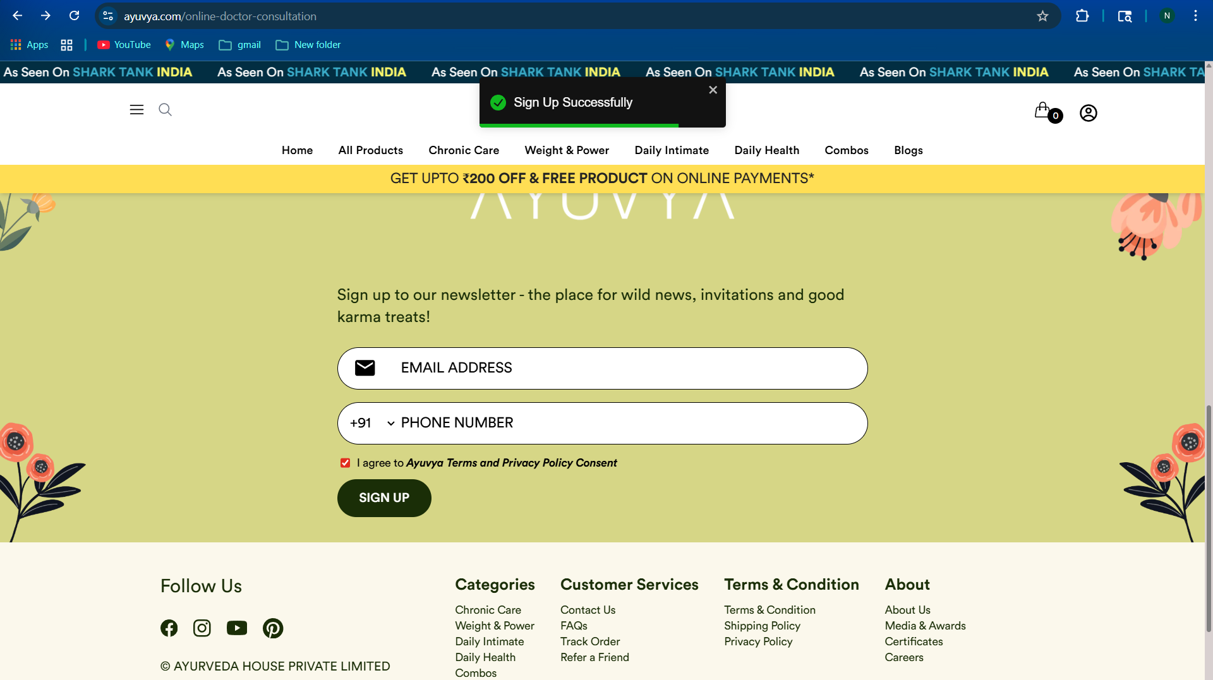
Bug_06 | Newsletter Is Subscribing Without Selecting Checkbox Button | Body Section --> Newsletter Section | Medium | Medium | 1. Open the doctor consultation page 2. Goto in the Newsletter Section 3. Fill The Data Email: "dgfdgdgfdggg@cgffgfgfggfg.fgdgfdgfd" and Phone: "9876544432" Without Selected Checkbox | Email and Phone Should not be submited Without Selecting Checkbox Button but It's Submiting | 